Sheet1
 | Document No. |  | Issue No. | Issue Date |  |  |  | Review and Replace Date |  |  | Authorised By
 | GFF262MC |  | 2 | 10.06.2021 |  |  |  | 23.12.2021
 | Document Title |  | Mattar Paneer with Pilau Rice 400g
 |  |  |  |  |  |  |  |  |  |  | Magda Shah
Document amendments reason for change | Film Updated |  |  | Page 1 of 1 |  |  | Previous Issue Date |  |  | 10.06.2021 | Uncontrolled copy unless signed original

CVMPR-R4TCC |  | Chef's Creation (NISA) |  |  | Mattar Paneer with Pilau Rice 400g | CHILLED
STEP 1 |  |  |  |  |  | STEP 2
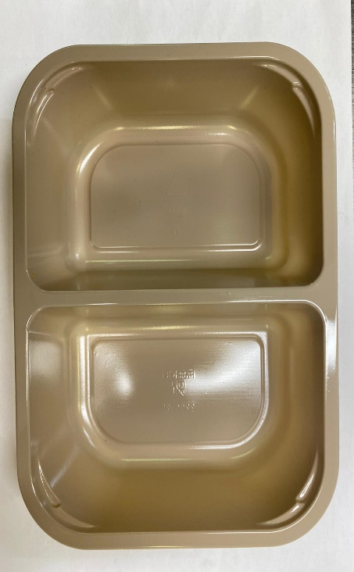 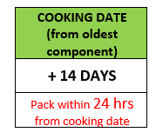 |  |  |  |  |  | 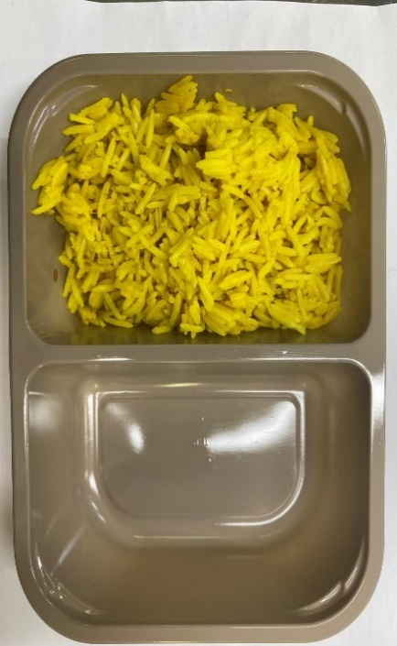

Tray: EVOLVE CPET 2200-2F (PKRHP001-10) |  |  |  |  |  | PILAU RICE (GFF143R): 160g

Film: K peel 7G+25A/f- 275mm (275 mmX1000) (PKKMP001-03)

STEP 3 |  |  | STEP 4 |  |  |  |  |  | STEP 5
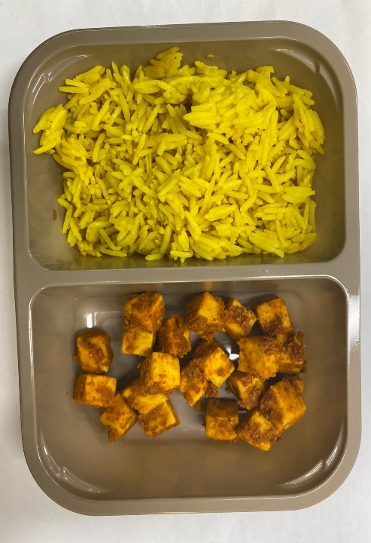 |  |  | 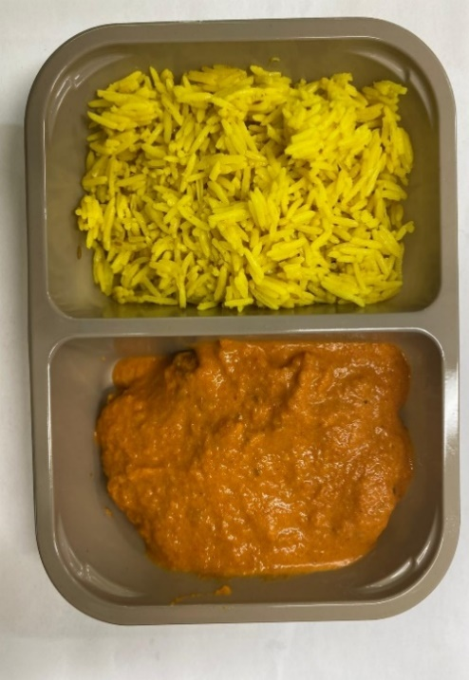 |  |  |  |  |  | 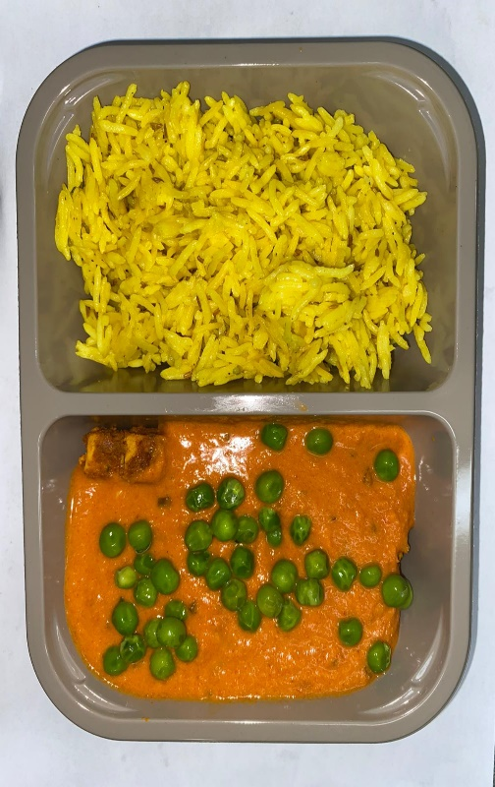

TANDOORI PANEER MARINATED(GFF206R): 70g |  |  | BUTTER SAUCE (GFF134R): 150g |  |  |  |  |  | STEAMED PEAS (GFF207R): 20g
 |  |  |  |  |  |  |  |  | TOTAL WEIGHT: 400G
ALLERGY ALERT: BARLEY, MILK

